Dashboard
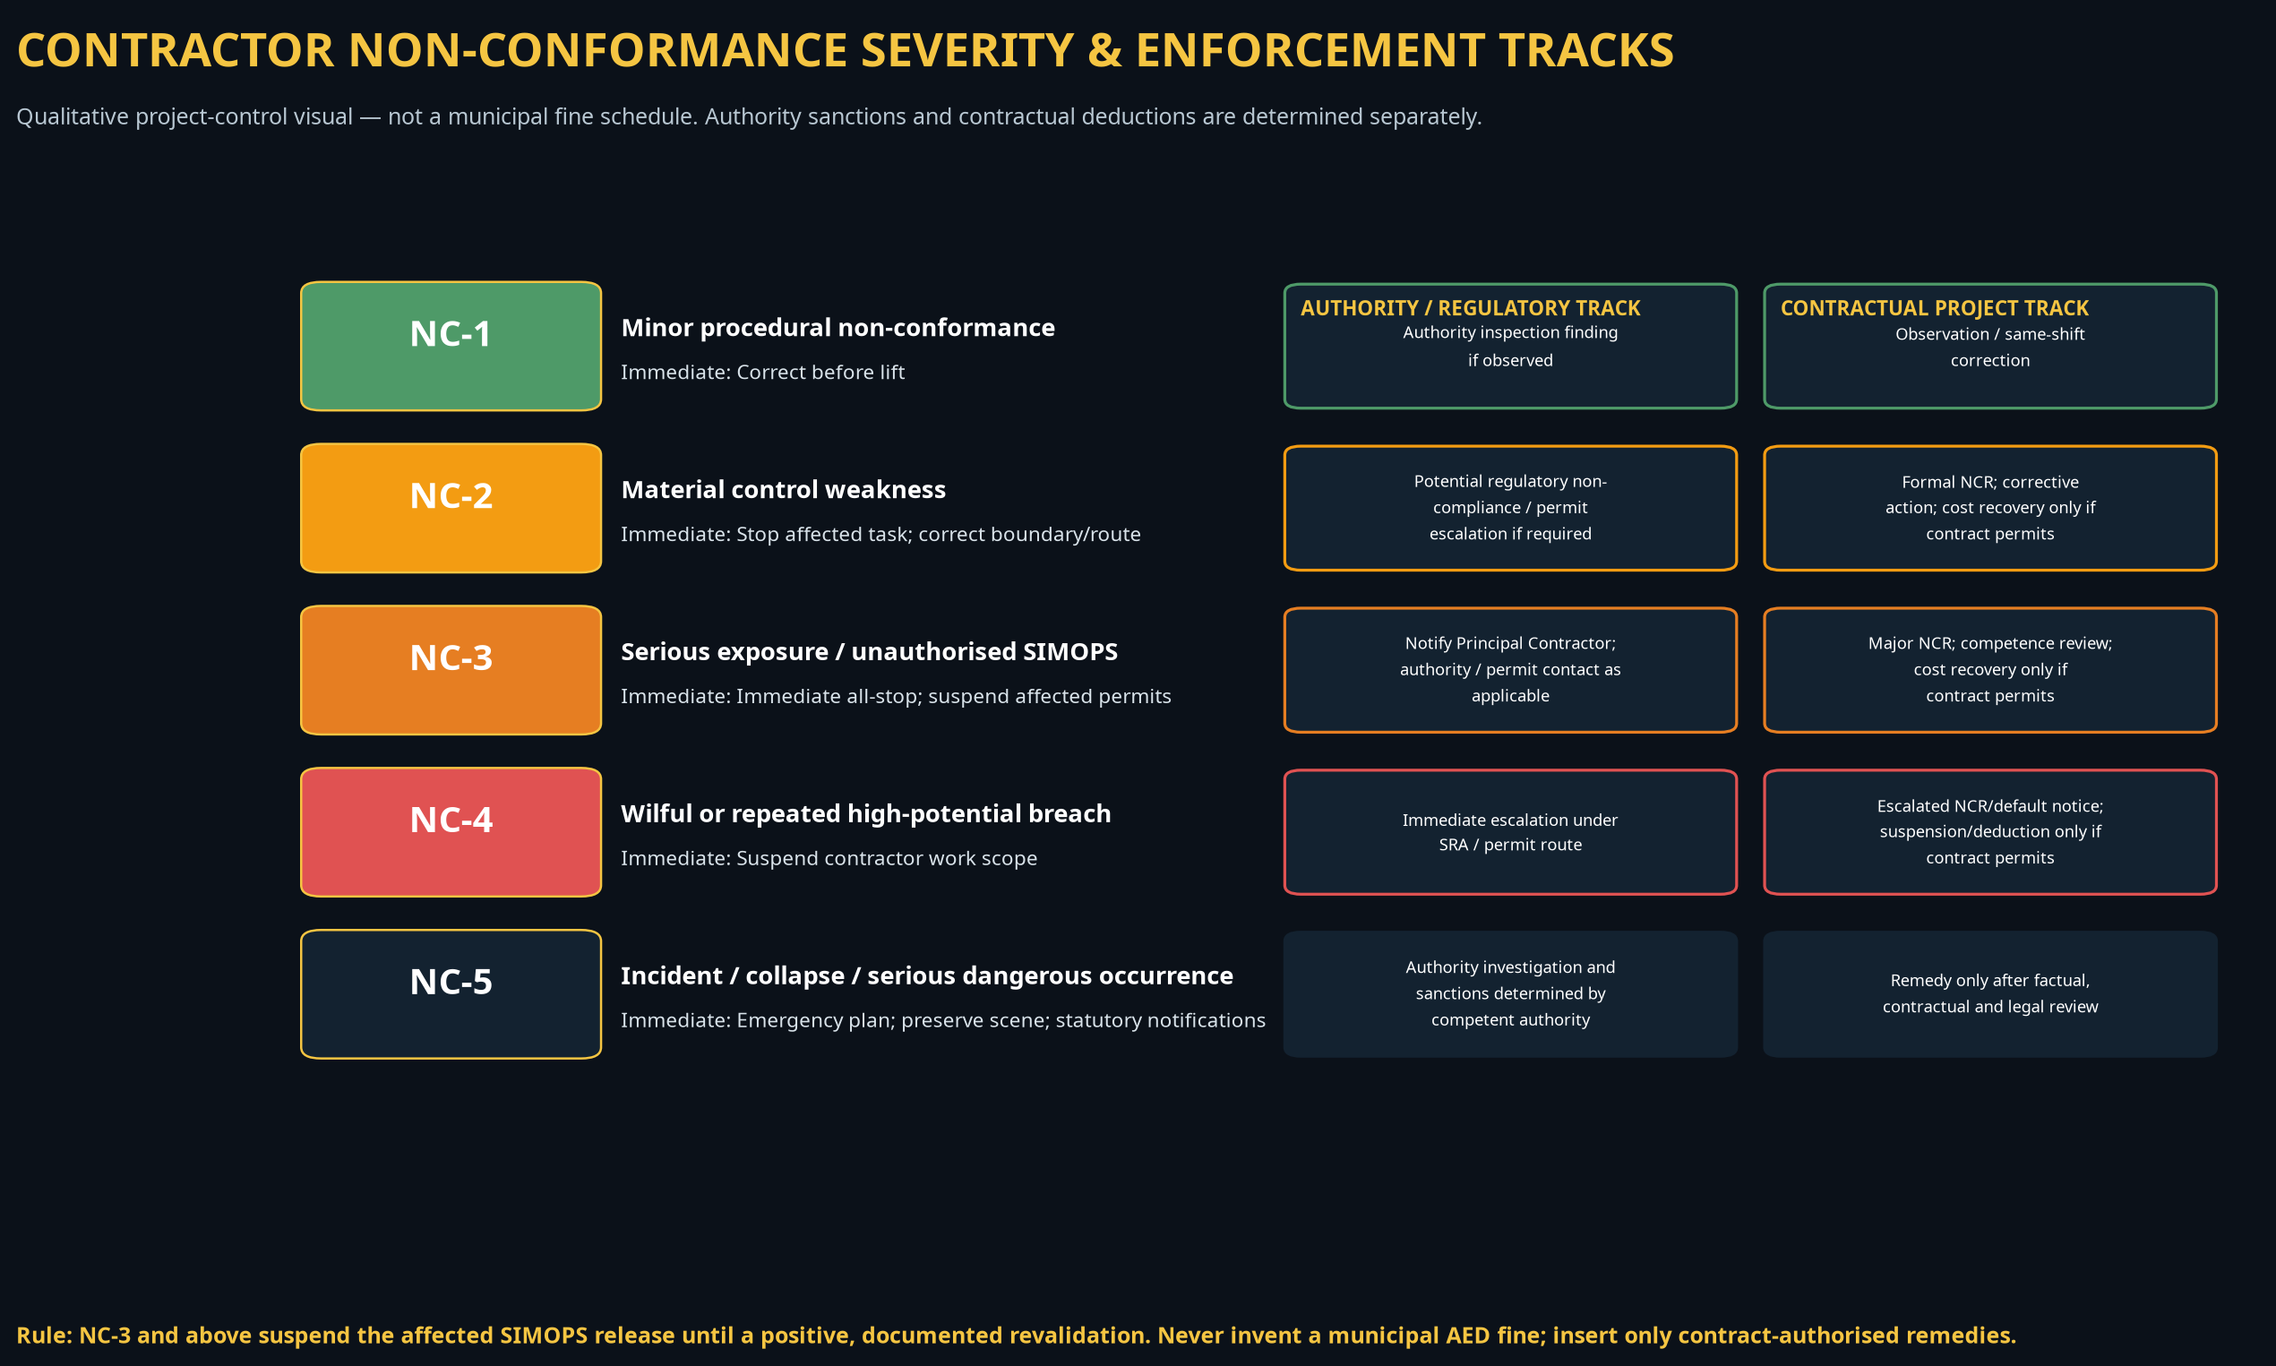
CONTRACTOR NON-CONFORMANCE SEVERITY & ENFORCEMENT DASHBOARD
Template dashboard. Authority sanctions are determined by the competent authority and the active permit/development-zone route. Contractual deductions must be expressly authorised by the governing contract.

PROJECT / REVIEW REFERENCE
Project |  |  |  |  | Authority / development zone
Contract reference |  |  |  |  | Principal Contractor
Date / period |  |  |  |  | SIMOPS workfront
Permit / lift-plan reference |  |  |  |  | Review owner
Contract penalty schedule approved? |  |  |  |  | Authority / client contact

Open NCs by Severity
LIVE NON-CONFORMANCE STATUS
Severity | Open count | Mandatory immediate response | Authority track | Contractual track
NC-1 |  | Correct before lift | Authority inspection finding if observed | Observation / same-shift correction
NC-2 |  | Stop affected task; correct boundary/route | Potential regulatory non-compliance / permit escalation if required | Formal NCR; corrective action; cost recovery only if contract permits
NC-3 |  | Immediate all-stop; suspend affected permits | Notify Principal Contractor; authority / permit contact as applicable | Major NCR; competence review; cost recovery only if contract permits
NC-4 |  | Suspend contractor work scope | Immediate escalation under SRA / permit route | Escalated NCR/default notice; suspension/deduction only if contract permits
NC-5 |  | Emergency plan; preserve scene; statutory notifications | Authority investigation and sanctions determined by competent authority | Remedy only after factual, contractual and legal review

VISUAL SEVERITY / ENFORCEMENT TRACK

