Dashboard
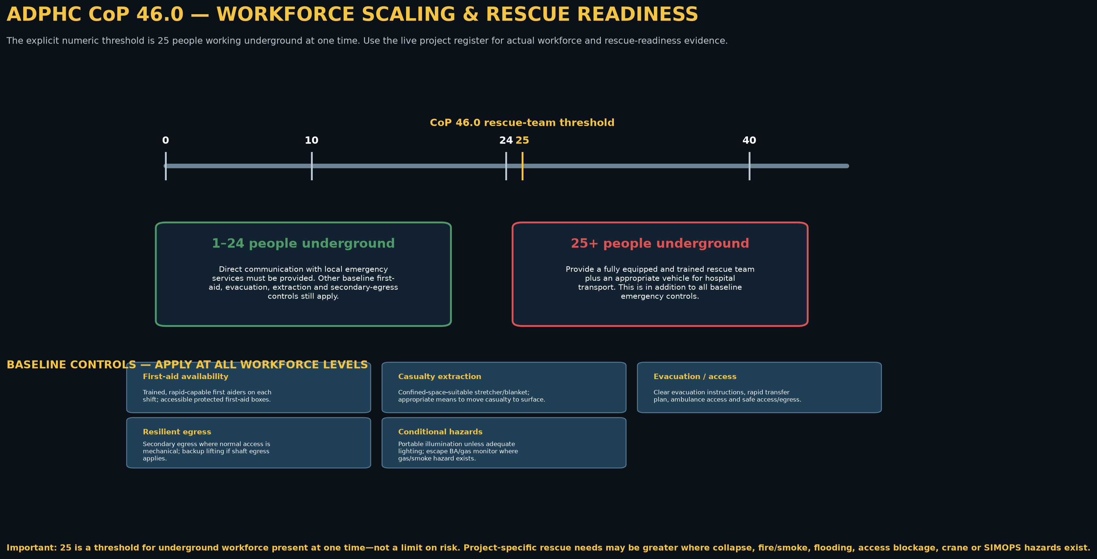
ADPHC CoP 46.0 WORKFORCE SCALING & RESCUE READINESS DASHBOARD
TEMPLATE: update the Workforce Register per shift/level. The dashboard compares actual simultaneous underground headcount against CoP 46.0’s explicit 25-person rescue-team threshold; it is not a workforce limit or a substitute for project emergency planning.

PROJECT / SHIFT INPUTS
Project |  |  |  |  | Authority / permit route
Level / workface |  |  |  |  | Date / shift
Maximum people underground now | 0 |  |  |  | Peak forecast this shift | 0
Shift / scenario reference |  |  |  |  | Emergency Plan revision
Rescue Lead |  |  |  |  | Audit / HSE reviewer

Current versus CoP 46.0 Threshold
LIVE CoP 46.0 THRESHOLD INTERPRETATION
Measure | Current value | CoP 46.0 condition | Result | Required response
Maximum people underground |  | < 25
Peak forecast |  | < 25 / 25+
Rescue threshold gap |  | 25 people

COMPARATIVE WORKFORCE SCALE

